Status
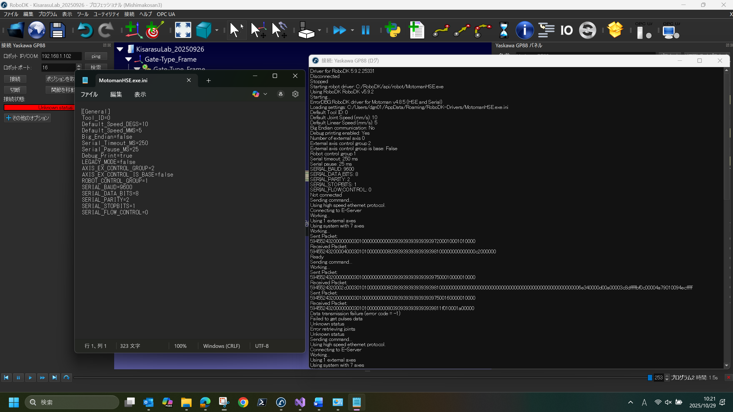
External Axis Setting | “Get Position” | “Move Joints”
NONE | Successfully retrieved | Robot moves, but the external axis also moves unexpectedly(Even though the external axis is supposed to be disabled…)
Enabled | Failed to retrieve | Robot body does not move, but the external axis moves(Since the position cannot be retrieved, the current location of the external axis is unknown, and the movement settings are unclear)

